All version
Bugslist
Bug # | Date Added | Android version | iOS version | Area | Type | Issue | Video/ Images References | Reply by Accord 2906 | Status (08 Jul) | check | kelvin(snap N eat _UAT) (android version)
1 | 10-Jun-16 | Android_20160613 Android_20160629 | - | A7 - Settings Account Page | Bug | After I change and save the password, then the screen returns to A6 Settings Page. But it goes to "A7 - Settings Account" after I tap "back" on A6 Settings Page. It should return where I enter "A6 Setting Page" before. It happens to all section in "Settings > My Account." 16 Jun (Gary): Not fixed. 04 Jul (Gary): Not fixed yet | https://www.dropbox.com/s/03rfanremyncptw/bug01_0708.m4v?dl=0 | FIXED | Not fixed. Check the NEW video in Column I. | fixed | not fixed, change password page>back>change password page | B
2 | 10-Jun-16 | Android_20160613 Android_20160629 | - | A7 - Settings Account Page | Bug | Similar issue to Bug#1, but it happens to "Introduction". 16 Jun (Gary): Not fixed. | https://www.dropbox.com/s/23okjbv3riq8pyg/Bug02_A7.mp4?dl=0 | FIXED | Not Fixed. Combined this issue into #1. | fixed | not fixed, | B
2a | 10-Jun-16 | Android_20160613 Android_20160629 | - | A7 - Settings Account Page | Bug | Similar issue to Bug#1 & #2, it happens when I update and click "Done" 16 Jun (Gary): Not fixed. | https://www.dropbox.com/s/b7g6x8bxdhbu81p/Bug2a_A7.mp4?dl=0 | FIXED | Not Fixed. Combined this issue into #1. | fixed | not fixed | B
3 | 10-Jun-16 | Android_20160613 | - | P1B - Profile Followings Others | Optimization | "Back" icon is not sensitive enough. Please try to expand the collision (touch area) that user can be easier to return. 16 Jun (Gary): Not fixed. I have to tap for several times to activate it. We need improvement. | https://www.dropbox.com/s/19ppo65m3boq5b0/Bug03_P1B.mp4?dl=0 | FIXED | Not Fixed. Combined this issue into #9. | seems fine, add more touchable area later | seems fine | B
4 | 10-Jun-16 | Android_20160613 Android_20160629 | iOS Build12 iOS Build 15 | A7A - Settings Account Avatar Change Page P - Profile | Bug | Unable to change avatar Unable to change the avatar picture by taking new photo. error message pop-up. 16 Jun (Gary): It doesn't update the avatar on screen after I selected the picture. Video ref https://www.dropbox.com/s/lmwdqffzjwqh4f4/bug%2304.m4v?dl=0 30 Jun (Gary): 1) It takes over 30 seconds (Loading animation). 2) During loading, I still able tap the buttons at the background. All buttons at the page should be disable during loading. 3) Unable to update avatar by either taking new photo or choosing from album. | https://www.dropbox.com/s/6n8qdqvwy5lbs1q/bug04_0708.m4v?dl=0 | We test it and it has not problem at all, it update at once I choose the photo | Not yet fixed in iOS version. Check the NEW video in Column I. | it failed to change the icon if suing some device, e.g. samsung, fixed now | change pic by capture, photo not displaying, | N
4a | 10-Jun-16 | Android_20160613 Android_20160629 | - | A7A - Settings Account Avatar Change Page | Bug | Similar issue to Bug#04, Unable to change the avatar picture by choosing photo from album. error message pop-up. 16 Jun (Gary): Similar to Bug#04. | https://www.dropbox.com/s/p2ueacwkejtawb0/Bug04a_A7A.mp4?dl=0 | We test it and it has not problem at all, it update at once I choose the photo | Not Fixed. Combined this issue into #4. | this bug never found | change pic by album, ok | N
5 | 10-Jun-16 | Android_20160613 Android_20160629 | iOS Build12 | S1 - Home Page | Feature missing | In Home Page, when I swiped the snap to right, it is supposed to add the snap to "favourite", but it didn't. In addition, please add a visual message (appears for 1 sec than dismiss) after the snap is added to "Favourite". 14 Jun (Gary): It also happens in iOS Build 12. Please let me know the defination and settings if the user flick up/down. 16 Jun (Gary): Not fixed yet. | https://www.dropbox.com/s/ipw3xbgf7903i12/Bug05_S1.mp4?dl=0 | This is a change request, not a bug, wont fix at this moment | This is the missing feature. It is in the latest spec. |  | only favourite icon is highlighted, no other visual message | 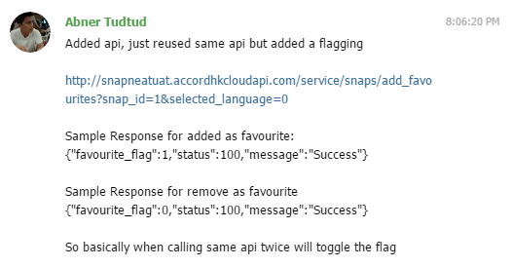 C | Abner Tudtud: Added api, just reused same api but added a flagging http://snapneatuat.accordhkcloudapi.com/service/snaps/add_favourites?snap_id=1&selected_language=0 Sample Response for added as favourite: {"favourite_flag":1,"status":100,"message":"Success"} Sample Response for remove as favourite {"favourite_flag":0,"status":100,"message":"Success"} So basically when calling same api twice will toggle the flag
6 | 10-Jun-16 | Android_20160613 Android_20160629 | iOS Build12 | S10 - Snap Details Page | Bug | Unable to cancel "favorite" snap. 14 Jun (Gary): It also happens in iOS Build 12. 16 Jun (Gary): Not fixed yet. 04 Jul (Gary) Not fixed yet. | https://www.dropbox.com/s/ly7z4ekv3q9etkf/Bug06_S10.mp4?dl=0 | work in progress |  | waiting api | unable to cancel favorite | B
7 | 10-Jun-16 | Android_20160613 Android_20160629 | - | S11 - Restaurant Details Page | Bug | All restaurant details are missing when I tap and select restaurant from S10 - Snap Details Page. 16 Jun (Gary): Not display well. | https://www.dropbox.com/s/6ymjquko6vwc78u/Bug07_S11.mp4?dl=0 | FIXED | Please be reminded we need import/export function for restaurant list xlsx file. It will be described in CMS Spec. | not found restaurant 's details is missing | not found restaurant 's details is missing | D
8 | 10-Jun-16 | - | iOS Build 9 | S13A - Snap Post Restaurant List | Bug | After typing the keywords and scrolling to search the restaurant, it returns to first restaurant (not related to keyword) once I released the finger off-screen. It is supposed the result list stay where it is when I release the finger. 14 Jun (Gary): Not yet fixed. 1. It doesn't filter well by what I typed. 2. It shows all restaurant again after I scroll up. Video ref https://www.dropbox.com/s/mjxemge13zy7xwh/Bug%2308.m4v?dl=0 | https://www.dropbox.com/s/fr2u14nyfc3fj3p/Bug08_S13A.mp4?dl=0 | FIXED | Fixed in version0629 | IOS | IOS | B
9 | 10-Jun-16 | Android_20160613 Android_20160629 | - | P - Profile Page | Bug | Similar issue to Bug#3, the "Back" icon is not sensitive enough/ not functional on Profile Page. 16 Jun (Gary): Not fixed. I have to tap for several times to activate it. We need improvement. | https://www.dropbox.com/s/a5eol0q8oapyez1/Bug09_P.mp4?dl=0 | work in progress |  | seems fine, add more touchable area later | seems fine | B
10 | 10-Jun-16 | Android_20160613 Android_20160629 | iOS Build12 | S13A - Snap Post Restaurant List | Bug | Unable to add new restaurant. Also, when I add new restaurant, how come it doesn't allow me to type in the address, and it automatically determine it is a HK restaurant 14 Jun (Gary): 1. It also happens to iOS Build 12. The Add new restaurant option not even available when Location Services is not enable. 2. Also, the GPS prompt keeps popping up if the typing is not match any restaurant name in database. It's annoying. Video ref https://www.dropbox.com/s/e77p8pjpr9i3gm4/IMG_0023.m4v?dl=0 | https://www.dropbox.com/s/czny20mx3d8u82z/Bug10_S13A.mp4?dl=0 | Allow the user add the restaurant, but not input the restaurant info in app. According to the spec and design file, it is not include in those doc | So please tell me if a user add a new restaurant. How could we know where it is? This is essential and common sense to let user to add all information if it is a new input. | fixed | add a new restaurant and determind the address of the restaurant automatically | C
11 | 10-Jun-16 | Android | iOS Build12 iOS Build 15 | P - Profile | Feature missing | 1) The clickable areas "Back", "Followers", "Followings" are not sensitive enough. Please fix. 2) The "Followings" in P1-Profile-Followings Page is not sync to P5A/P5B. Names in 2 lists are different. 07 Jul (Gary): Not yet updated in iOS version. | https://www.dropbox.com/s/wbqg8j1m0ncf1dl/Bug11_P.mp4?dl=0 | FIXED | Not yet fixed in iOS version. | fixed | fixed | B
12 | 10-Jun-16 | - | iOS Build 9 | General | General | The app doesn't show in full screen on iPad. It's neither 16:9 nor 4:3. Please make sure the app screen display correctly. 14 Jun (Gary): It seems the display ratio (see the snap card) are different between iPad and iPhone. iPad one follow neither its own screen size (4:3) nor iPhone size (16:9). Which way you would do for iPad version? Just distort the iphone screen to fit 4:3 or the layout would be adjusted based on different screen size? | 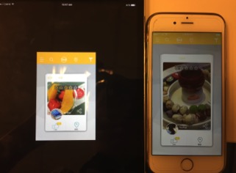 | It is a iphone app, it should not test in ipad. But the issue of screen is already fixed. | We will discuss this part later. |  |  | N
13 | 10-Jun-16 | - | iOS Build 9 | S12 - Snap Post Page | Bug | Display Issue. | 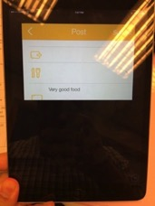
14 | 10-Jun-16 | Android_20160613 Android_20160629 | iOS Build12 | P - Profile | Bug | "Post" on Profile Page is not clickable. It has to show the Post history. 16 Jun (Gary): It isn't fixed in Both version | https://www.dropbox.com/s/fjtoy07k5s7lf4s/Bug14_P.mp4?dl=0 | Gallery alreasy show the post list, why need another page? Beside, in spec and design file, it has not this page since the beginning | Gallery shows all the snaps but not post. Each post could include 5 photos in max. Also we must have a place to let user to delete the own post. Please refer latest spec. | waiting | "posts" is not clickable | C
15 | 10-Jun-16 | Android_20160613 | - | S1 - Home Page | Bug | The snaps doesn't display accordingly. 16 Jun (Gary): It takes very long to load the pictures, whether in S1 - Home Page and P1-P4. Please improve this part. | https://www.dropbox.com/s/yuusoddeoyv4ddd/Bug15_S1.mp4?dl=0 | FIXED | Duplicate to #39 | some snap's (card stack) of picture is missing | some snap's (card stack) of picture is missing | B
16 | 10-Jun-16 | Android_20160613 | iOS Build12 | S7 - Search User Page | Bug | It's hard to select search text field again on S7 page. Please improve. 14 Jun (Gary): It also happens in iOS Build 12. 07 Jul (Gary): Please remove the "text field" frame and just show the search keyword if it cannot search again. | https://www.dropbox.com/s/nojtqpljdmlcn69/Bug16_S7.mov?dl=0 | Pending | Please see new comment |  | not able to click the search tool in the search result page | C
18 | 10-Jun-16 | Android_20160613 Android_20160629 | - | S12 - Snap Post Page | Bug | In "Dish" field, after I selected multiple dishes and return Snap Post Page. It just show one dish name. It should show all selected dishes. 16 Jun (Gary): I couldn't select multi dishes in this version. 04 Jul (Gary): Not fixed yet. And it doesn't return to blank even I de-select the on S5. | https://www.dropbox.com/s/2erb9dc1vt74tlg/bug18_0708.m4v?dl=0 | FIXED | Please see new comment |  | not fixed | B
20 | 10-Jun-16 | Android Android_20160629 | iOS Build12 iOS Build 15 | General | Feature missing | 1) The app language is not use the system language as default language. 2) Seems the Simplified Chinese is not ready. 14 Jun (Gary) iOS not yet updated. It starts with English once installation is finished, no matter my system language is English or Chinese. | https://www.dropbox.com/s/3e3penp8sctd24t/Bug20_general.mp4?dl=0 | work in progress | I will send you the updated textlist soon. |  | seems working fine at samsung s4, default works(english) and simplified chinese | B
21 | 10-Jun-16 | Android_20160613 Android_20160629 | iOS Build12 iOS Build 15 | S12 - Snap Post Page | Bug - Dirty Word | The new snap post is still available to upload even including dirty words. It is supposed to be pop the error message and tells the user the post including dirty words and unable to post once the user click submit. 14 Jun (Gary): The new snap is still uploaded even dirty word hidden (****). It should be forbidden to upload with error message. 16 Jun (Gary): Same issue as iOS Build 12. | https://www.dropbox.com/s/9w81i576yo2vgyj/Bug21_S12.mov?dl=0 | For normal social media app, bad words are filtered by "****" instead of disallowing user to input. If you would like to popup message, we need to change the flow, it's change request | This is not change request but what this function should be. |  | not fixed | C
22 | 10-Jun-16 | Android_20160613 Android_20160629 | iOS Build12 iOS Build 15 | P3 - Profile - Footprint Page | Optimization | Some district name could not display clearly. Please add a frame in black at the bottom and the district name in white on it. 14 Jun (Gary): It also happens in iOS Build 12. | 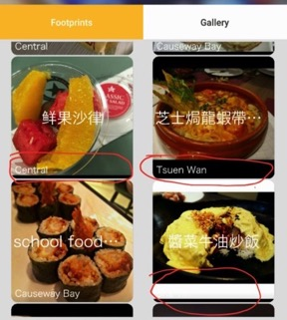 | work in progress | We could waive this one according to latest spec v3.0. Please study |  | no black frame | B
25 | 10-Jun-16 | - | iOS Build 9 iOS Build 12 iOS Build 15 | S1 - Home Page | Optimization | The snap card is too small on screen. Please enlarge it and make the blank area less. 14 Jun (Gary): Not yet fixed. 07Jul (Gary): We would like to have bigger card like what Android version does, to make card/snap bigger and reduce the useless section (background) displayed. |  | FIXED | Please see new comment |  | need to use emulator to test | B
27 | 10-Jun-16 | Android | iOS | General | Optimization | Sariel, as discussed in the last meeting , GPS location variance could be up to 500m compare to actual location . But study says the variance is nothing more than 100 ft . Lets give it 500ft variance in HK, the distance is a lot shorter than 500m . | 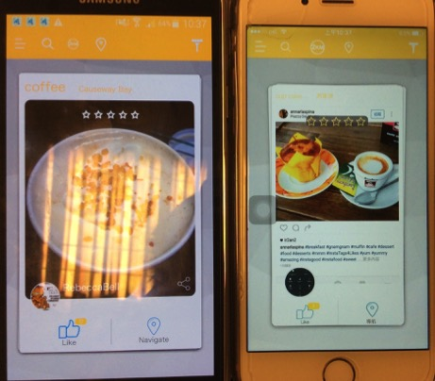 http://marketingland.com/study-smartphone-location-accurate-within-93-feet-178582?utm_campaign=socialflow&utm_source=facebook&utm_medium=social | We are using standard google may API, the accuracy was controlled by google map, not the app | We will test the accuracy when the APP more completed. |  | cannot be tested | N
28 | 10-Jun-16 | Android_20160613 Android_20160629 | iOS Build12 iOS Build 15 | S1 - Home Page | Optimization | The screen becomes empty after all cards are swiped out. Here is a suggestion: Instead of add a refresh button, I assume there are 20 cards per stack. After all 20 cards are swiped out, the system provide another stack automatically. 14 Jun (Gary) - for both Android and iOS version: 1) Please update wordings "We're waiting your favourite food snap share! To view more food snaps, press (refresh icon)" instead of "No more snaps" 2) Please add the refresh button to distribute another stack of snap cards. Now the users have to go enter "Home" from side menu again to refresh. | 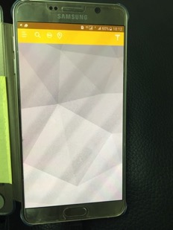  | Change request | Please refer latest spec v3.0 |  | not fixed | C
29 | 10-Jun-16 | Android | iOS Build 12 | P1B - Profile Followings Others | Bug | Some disctrict name doesn't display accordingly. Please fix. | 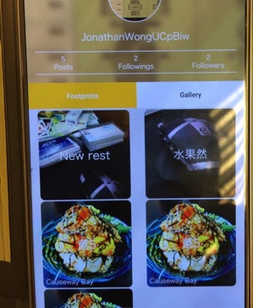 | According to the photo, I found that, the disctrict name don’t display bcoz the user had not choose the restaurant before, both snap also had not the restaurant detail inside the snap. So it is not the problem of app, it is the user mistake. | Waive this part according to latest spec. |  | no problem | N
30 | 10-Jun-16 |  |  |  |  | Lance , if I have to post 5 snaps for the restaurant , it should be auto filling after I post the first one . |  | FIXED |  |  |  | B
33 | 10-Jun-16 |  |  |  |  | Lance , for "no more snaps " , can we change that in cms ? |  | No, because it sld not be able to change many times. It is system-related message, assume it won't be changed after launched. | Noted! Please update it based on #28. |  | no problem | N
36 | 10-Jun-16 |  |  |  |  | When deactivated an user , will the user account disappear on the app ? It seems when deactivated an user, I can still access the user's snaps on the main page and followings and followers post and snaps on the account page If the deactivated user account still visible , and searchable , what's the point of deactivation ? If an user post 100 porn or nude pic , and I get a complain from other user , I will deactivate the account , but all the porn that link to this account is still visible to other user . This will be an issue. |  | Change request |  |  | cannot test | C
38 | 10-Jun-16 | Android_20160613 Android_20160629 | iOS Build12 iOS Build 15 | General | App Name | Our app name is 手機食先，not 手機先食 14 Jun (Gary): iOS - Not yet updated. 16 Jun (Gary): Android version - English name should be Snap N Eat instead of Snap N Eat_UAT. Chinese name is not applied yet. |  | work in progress |  |  | chinese name is not supported | B
39 | 14-Jun-16 | Android_20160613 Android_20160629 | iOS Build12 iOS Build 15 | S1 - Home Page P1 - P4 | Optimization | Can it be the snap on Home Page loading faster? It looks odd, or adding the loading effects until the snap can be fully displayed. 16 June (Gary) Happens to Android too Video ref https://www.dropbox.com/s/bkhfv75id4ikidy/bug%2339APK.m4v?dl=0 07Jul (Gary): It takes too long to load the snaps. Please optimize this section the cards always show nothing when keep flicking the cards. Suggest it in 2 ways: 1) The stack can be operated after all snaps finish loading. Suggest to add loading animation before the stack is ready. 2) Due to the loading time, suggest to reduce the size of all snaps and store them. | https://www.dropbox.com/s/etf6cs5ef6iiy1d/IMG_4820.MOV?dl=0 |  |  |  | seems fast enough, at least, it has a loading message before the snap is loaded | B
Chinese
English
40 | 14-Jun-16 | - | iOS Build12 iOS Build 15 | Side Menu | General | 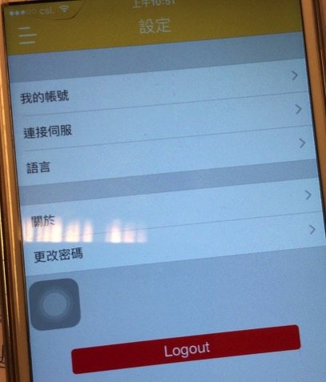 Some pages wrongly display in both Chinese and English. Please align. 07 Jul (Gary): Not Fixed. | 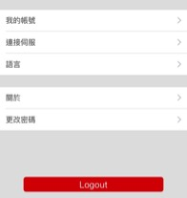 | FIXED | Not fixed. Please update based on the textlist. I will send you the update one soon. |  | fixed | B
42 | 14-Jun-16 | - | iOS Build 12 | P3 - Profile Footprint | Bug | App crash when I tap "Footprint" in profile with Location Service off. | https://www.dropbox.com/s/a8zpege7t9o682o/bug42_0708.m4v?dl=0 | We can't see this problem in both system, please provide steps to re-produce | Not fixed. Check the NEW video in Column I. |  | cannot test, location request keep pops up | U
43 | 14-Jun-16 | - | iOS Build 12 | A7A & Profile | Bug | The avatar picture is rotated, after I took new photo and updated. It doesn't happens when I pick the photo from album. | 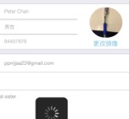 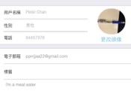 | work in progress |  |  | cannot upload pic using capture | B
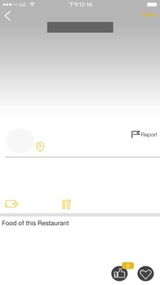
47 | 14-Jun-16 | - | iOS Build 12 | S10 - Snap Details Page | Bug | Display error sometimes. (when I selected the snap from P1-Followings) 07Jul (Gary) It seems a random bug that the S10 -Snap Details page didn't display accordingly. I will keep this one active. |  | Please explain. | Please see new comment |  | not found this bug | U
48 | 14-Jun-16 | Android_20160613 Android_20160629 | iOS Build12 iOS Build 15 | S10A - Snap Details Share |  | Could you please provide the app which supports the "share" function? I installed Facebook, Instagram, Wechat and Whatsapp but Whatsapp is not supported. | 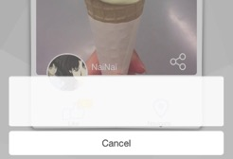 | Please explain. | Please refer "Share Dialog" in latest spec v3.0 |  | facebook, instagram can be shared to, but whatapp and wechat are not supported | U
49 | 14-Jun-16 | Android_20160613 Android_20160629 | iOS Build12 iOS Build 15 | S1 - Home Page | Feature missing | The Add Snap icon/function is still missing. |  |  | Please refer latest spec v3.0 |  | missing | B
50 | 14-Jun-16 | Android_20160613 Android_20160629 | iOS Build12 iOS Build 15 | S1 - Home Page | Feature | GPS Mode is toggle button (ON & OFF), to detect the food from the restaurant nearby. It IS NOT the button to open the google map. When GPS Mode is off, The Area Radius button should be disable. |  |  | Please refer latest spec v3.0 |  | z
✔
✖
51 | 14-Jun-16 | Android_20160613 Android_20160629 | iOS Build12 iOS Build 15 | S1 - Home Page | Feature | Area Radius button is only enable when GPS Mode is on. It is supposed the Slide bar for selecting radius instead of current 5 buttons layout. | 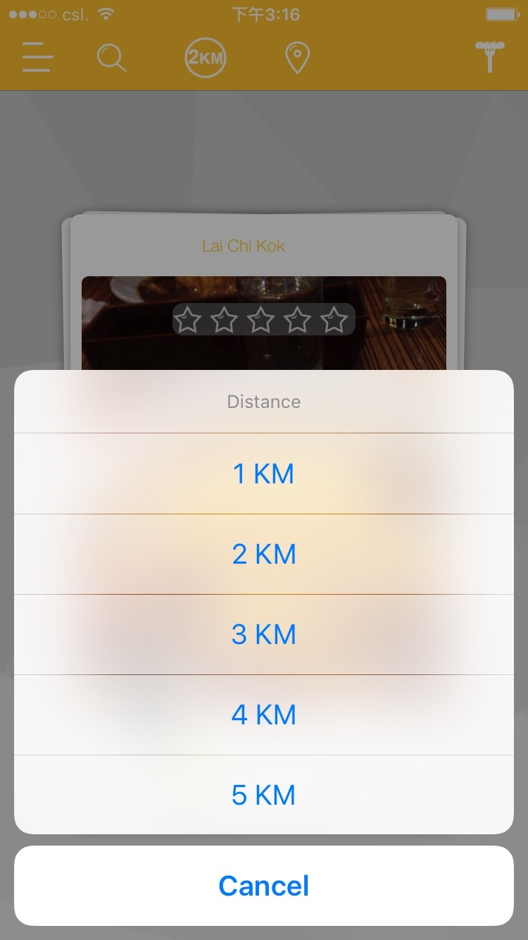 | This feature is not originally included in the project scope, we have delivered it as EXTRA feature. We can't change the design or we need to charge it as enhancement as it may involve some developmen time. | This is not EXTRA. The feature is still here but we need to consider which way is more user friendly. There are many ways to build up this function: Add "Text Field" for user input the distance range; select the distance like current settings and results may becomes overload due to the selected area; but we need to apply the most suitableand friendly for user, right? |  | not fixed | C
52 | 14-Jun-16 | Android_20160613 Android_20160629 | iOS Build12 iOS Build 15 | S1 - Home Page | Placement | Please make the icons on toolbar in same size and closer to each other. |  |  | Not Fixed |  | not fixed
53 | 14-Jun-16 | Android_20160613 Android_20160629 | iOS Build12 iOS Build 15 | S1 - Home Page | Bug | "Navigate" doesn't show the restaurants in exact location in google map. Now all restaurants in same district are pinned in the same point (correct district) in map. |  |  | Not Fixed |  | not fixed | N
54 | 14-Jun-16 | Android_20160613 Android_20160629 | iOS Build12 iOS Build 15 | Side Menu | Side Menu | Reduce the size of Side Menu when activated. There are too many blank area. Just barely show the full text of settings. | 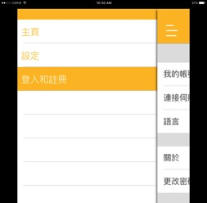 | The menu width is fixed for different mobile phone size, and it cannot be dynamic according to screen size | No I understand it is different size in devices but there are too much blank area in all devices. It happens for both iOS and Android and I m sure you could adjust the wide in coding. |  | not fixed | U
55 | 14-Jun-16 | Android_20160613 Android_20160629 | iOS Build12 iOS Build 15 | S10 - Snap Details Page | Bug | The "Like" count in S1 - Home Page isn't updated after I "Like" the food in S10 - Snap Details Page and return to S1 - Home Page. |  |  | Not Fixed |  | not fixed | B
56 | 14-Jun-16 | Android_20160613 Android_20160629 | iOS Build12 iOS Build 15 | S1 - Home Page | Feature | As discussed before, the Super User account is essential to allow us to insert specific snap in the Snap Cards by request in S1 - Home Page. |  |  | This function has to be supported both App & CMS |  | not tested | B
57 | 14-Jun-16 | Android_20160613 Android_20160629 | iOS Build12 iOS Build 15 | S2 - Hot Search | Feature | What's the algorithm that decide the hot filters shown in District, Dish, Spendings & Hot hashtags now? | 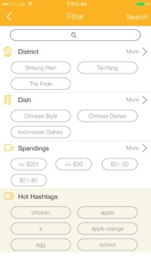 | Please explain. | Please refer latest spec v3.0 |  | not tested | U
58 | 14-Jun-16 | Android_20160613 Android_20160629 | iOS Build12 iOS Build 15 | General | Feature | Every new snap post should start with Like x1, auto add "Like" by the uploader. 08 Jul (Gary): Every Snap should be start wth x1 Like instead of zero Like. The "Like" come from the user who uploads the snaps automatically and the user cannot "unlike" the snap who uploaded. |  | Please provide steps for re-produce | Please see new comment |  | not fixed | U
60 | 14-Jun-16 | - | iOS Build12 iOS Build 15 | S1 - Home Page | Bug | The "No more snaps" shown even the snap cards are still available. | 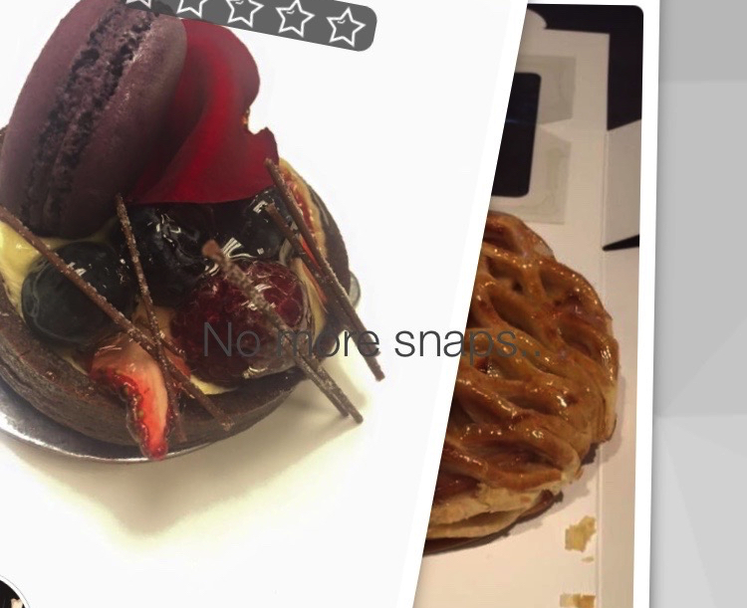 |  | Not Fixed |  | not found this bug | 1
61 | 14-Jun-16 | Android_20160613 | iOS Build12 iOS Build 15 | S1 - Home Page | Placement | The location should be at the right of the snap card. |  |  | Not Fixed |  | not fixed
62 | 14-Jun-16 | - | iOS Build 12 | S1 - Home Page | Bug | What does this message mean? |  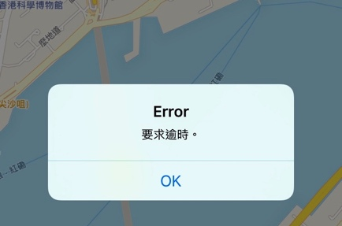
63 | 16-Jun-16 | Android_20160613 | - | S1 - Home Page | Feature | Please add the "pressed" effect for the icons on tool bar. There is no effect when pressed, the user is not sure.
64 | 16-Jun-16 | Android_20160613 Android_20160629 | - | General | Bug | It occurs randomly. When I firstly log in via Guest Mode, Then return to login page to sign in as user. Then wherever I tap "Back" icon after doing profile update or returning S1- Home Page from P-Profile screen, it returns to login page and requests login again. 07Jul (Gary): Still happens. video ref: https://www.dropbox.com/s/ussdxtun7b8rbgz/bug64_0708.m4v?dl=0 | https://www.dropbox.com/s/4el1qk0x08be1ni/bug%2364.m4v?dl=0 |  |  |  | not found this bug | 1
65 | 4-Jul-16 | Android_20160629 | iOS Build 15 | S12 - Snap Post Page | Bug | Unable to add new restaurant without GPS enable. I should be able to add new restaurant any time. | https://www.dropbox.com/s/mseude7eq3vztj2/bug65_0708.m4v?dl=0 |  |  |  | not fixed
66 | 4-Jul-16 | Android_20160629 | iOS Build 15 | S12 - Snap Post Page | Bug | Rating should be mandatory, I can still upload snap without rating. | https://www.dropbox.com/s/aeb3yechcch6e2z/bug66_0708.m4v?dl=0 |  |  |  | can be uploaded even without rating
67 | 4-Jul-16 | - | iOS Build 15 | S12 - Snap Post Page | Bug | After uploading success, it should go to S10 but not P4. And It doesn't take immediate effect in P4, I have to re-enter profile to see the new snap. | https://www.dropbox.com/s/aeb3yechcch6e2z/bug66_0708.m4v?dl=0
68 | 4-Jul-16 | - | iOS Build 15 | S12 - Snap Post Page | Bug | The snap is rotated 90 degree anti-clockwise after upload completed. (I took the snap in portrait. | https://www.dropbox.com/s/aeb3yechcch6e2z/bug66_0708.m4v?dl=0 |  |  |  |  | 1
69 | 4-Jul-16 | Android_20160629 | iOS Build 15 | S12 - Snap Post Page | Bug | Allow to select multiple pictures for uploading at once instead of one by one. |  |  |  |  | not fixed
70 | 4-Jul-16 | - | iOS Build 15 | P - Profile | Bug | 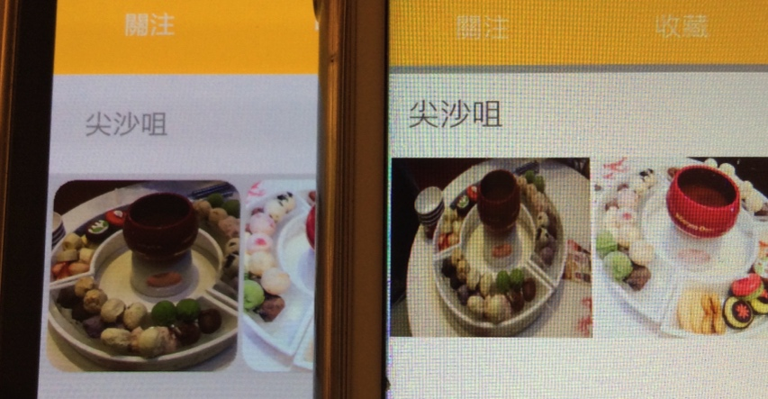 The image is distorted in iOS version. Please fix.
71 | 4-Jul-16 | - | iOS Build 15 | Avatar | Bug | 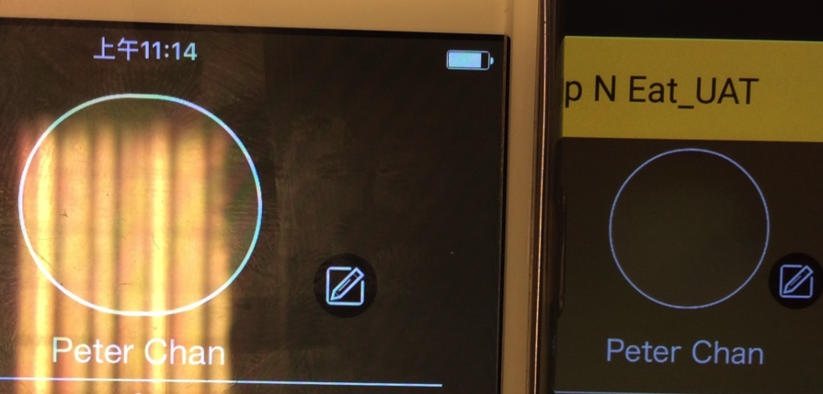 The avatar is distorted in iOS version. Please fix. | 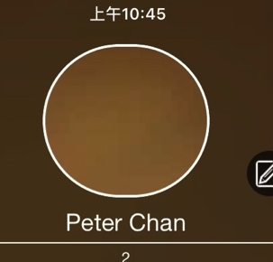 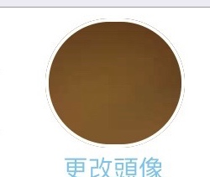
72 | 4-Jul-16 | Android_20160629 | iOS Build 15 | General Image | Optimization | Please study if we could reduce size for images uploading and downloading. It seems taking too long for this part also it looks different, distorted or blurred in diferent devices and pages. |  |  |  |  | not able to tested
73 | 4-Jul-16 | Android_20160629 | iOS Build 15 | General | Bug | "Gender" is not sync between APPs and CMS. |  |  |  |  | not able to tested
74 | 4-Jul-16 | - | iOS Build 15 | General | Bug | Unable to upload snap and message pop-up. | 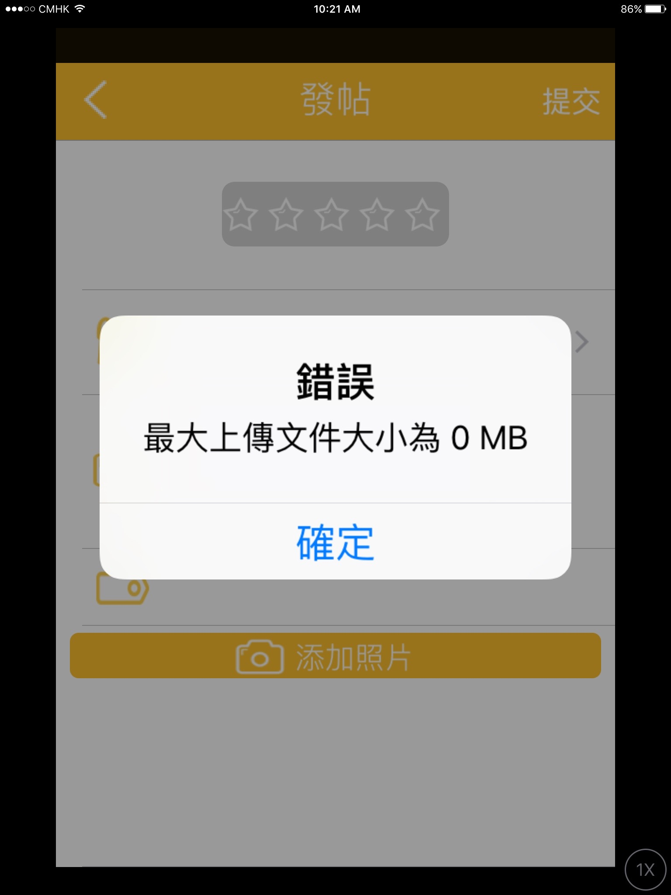 |  |  |  | not found this bug
75 | 4-Jul-16 | Android_20160629 | - | General | Bug | App crash randomly and frequently - Please find the cause. |  |  |  |  | not found this bug
76 | 4-Jul-16 | Android_20160629 | iOS Build 15 | S12 - Snap Post Page | Bug | Issue after uploading 5 snaps in a post: iOS Scenario 1) it shows the first photo twice. Scenario 2) Only first photo is shown. In Android, it show one snap randomly. Android Scenario 1) It shows 5 same snaps. Scenario 2) It shows one snap randomly. |  |  |  |  | not fixed
77 | 4-Jul-16 | Android_20160629 | iOS Build 15 | General | Bug | Issues of the landscape and portrait pictures uploaded Whatever they are Snaps in S1 , Cover in S10, Avatar, thumbnails in Profile pages etc. It causes distortion or out focus of the snap. Is there any way we could crop the photo in square and store in server? Please advise. |  |  |  |  | not distortion or out focus of photo found
78 | 4-Jul-16 | - | iOS Build 15 | S13A - Snap Post Restaurant List | Bug | Unable to dismiss the keyboard once search text field is selected. The keyboard blocks the lower part of list.
79 | 4-Jul-16 |  | iOS Build 15 | S12 - Snap Post Page | Bug | 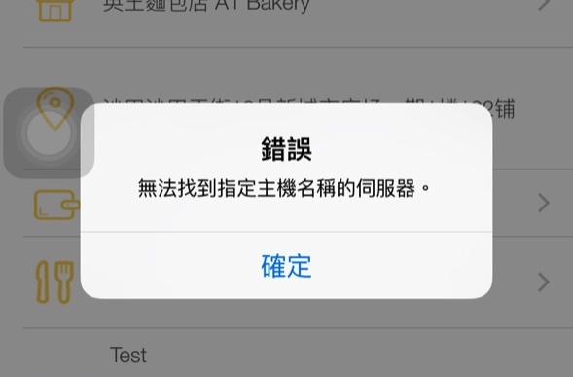 What does this message mean? It pop up while submitting post in S10.
80 | 4-Jul-16
81 | 4-Jul-16
82 | 4-Jul-16
83 | 4-Jul-16
84 | 4-Jul-16
85 | 4-Jul-16
86 | 4-Jul-16
87 | 4-Jul-16
88 | 4-Jul-16
89 | 4-Jul-16
90 | 4-Jul-16
91 | 4-Jul-16

